Sheet2
Count of Age4 | Column Labels
Row Labels | Divorced | Grand Total
Canada | 2 | 2
China | 1 | 1
Germany | 1 | 1
Hong Kong | 2 | 2
Nigeria | 1 | 1
Russia | 2 | 2
Switzerland | 1 | 1
United States | 10 | 10
Grand Total | 20 | 20

pivot
Sum of Rank | Column Labels
Row Labels | 0 | 1 | Grand Total
Divorced | 1788 | 384 | 2172
Engaged | 3 |  | 3
In Relationship | 215 | 4 | 219
Married | 15070 | 180 | 15250
Separated | 96 |  | 96
Single | 659 | 287 | 946
Unknown | 3473 |  | 3473
Widowed | 1599 | 358 | 1957
Widowed, Remarried | 247 |  | 247
Grand Total | 23150 | 1213 | 24363

Row Labels | Count of Age4 |  |  | Row Labels | Total
Canada | 2 |  |  | Australia | 6
China | 1 |  |  | Austria | 1
Germany | 1 |  |  | Brazil | 4
Hong Kong | 2 |  |  | Canada | 5
Nigeria | 1 |  |  | Chile | 1
Russia | 2 |  |  | China | 30
Switzerland | 1 |  |  | Cyprus | 2
United States | 10 |  |  | Czech Republic | 2
Grand Total | 20 |  |  | France | 11
 |  |  |  | Germany | 13
 |  |  |  | Hong Kong | 9
 |  |  |  | India | 11
 |  |  |  | Indonesia | 3
 |  |  |  | Israel | 2
Row Labels | Average of Net_Worth_($B) |  |  | Italy | 2
Automotive | $33 |  |  | Japan | 3
Construction & Engineering | $13 |  |  | Malaysia | 2
Diversified | $27 |  |  | Mexico | 3
Energy | $15 |  |  | Netherlands | 1
Fashion & Retail | $33 |  |  | Nigeria | 1
Finance & Investments | $20 |  |  | Russia | 15
Food & Beverage | $20 |  |  | Singapore | 2
Gambling & Casinos | $24 |  |  | South Africa | 1
Healthcare | $14 |  |  | Spain | 1
Logistics | $20 |  |  | Sweden | 5
Manufacturing | $15 |  |  | Switzerland | 4
Media & Entertainment | $37 |  |  | Thailand | 3
Metals & Mining | $20 |  |  | United Arab Emirates | 1
Real Estate | $15 |  |  | United Kingdom | 3
Service | $15 |  |  | United States | 74
Sports | $12 |  |  | Grand Total | 221
Technology | $34
Telecom | $58
Grand Total | $24

YOUNGEST BILLIONAIRE & NET WORTH
Row Labels | Sum of age | Sum of Net_Worth_($B)
Bernard Arnault & family | 74 | 211
Elon Musk | 51 | 180
Jeff Bezos | 59 | 114
Larry Ellison | 78 | 107 |  |  |  | BERNARD ARNAULT & FAMILY
YOUNGEST BILLIONAIRE
NAME: MARK MATESCHITZ AGE: 30
NET WORTH: $34B
Warren Buffett | 92 | 106
Bill Gates | 67 | 104 |  |  |  | MARK MATESCHITZ
Michael Bloomberg | 81 | 94
Carlos Slim Helu & family | 83 | 93
Mukesh Ambani | 65 | 83
Francoise Bettencourt Meyers & family | 69 | 80
Steve Ballmer | 67 | 80
Larry Page | 50 | 79
Amancio Ortega | 87 | 77
Sergey Brin | 49 | 76
Zhong Shanshan | 68 | 68
Mark Zuckerberg | 38 | 64
Charles Koch | 87 | 59
Julia Koch & family | 60 | 59
Jim Walton | 74 | 58
Rob Walton | 78 | 57
Alice Walton | 73 | 56
David Thomson & family | 65 | 54
Michael Dell | 58 | 50
Gautam Adani | 60 | 47
Zhang Yiming | 39 | 45
Phil Knight & family | 85 | 45
Dieter Schwarz | 83 | 42
FranÃ§ois Pinault & family | 86 | 40
Klaus-Michael Kuehne | 85 | 39
Jacqueline Mars | 83 | 38
John Mars | 87 | 38
Giovanni Ferrero | 58 | 38
Li Ka-shing | 94 | 38
Miriam Adelson & family | 77 | 35
Ma Huateng | 51 | 35
Ken Griffin | 54 | 35
Mark Mateschitz | 30 | 34
Robin Zeng | 54 | 33
Tadashi Yanai & family | 74 | 32
Len Blavatnik | 65 | 32
Alain Wertheimer | 74 | 31
Gerard Wertheimer | 72 | 31
Rafaela Aponte-Diamant | 78 | 31
Gianluigi Aponte | 82 | 31
Colin Zheng Huang | 43 | 30
Reinhold Wuerth & family | 87 | 29
Lee Shau Kee | 95 | 29
Jim Simons | 84 | 28
Jeff Yass | 64 | 28
Stephen Schwarzman | 76 | 27
Susanne Klatten | 60 | 27
Gina Rinehart | 69 | 27
GermÃ¡n Larrea Mota Velasco & family | 69 | 26
William Ding | 51 | 26
Thomas Peterffy | 78 | 25
Low Tuck Kwong | 74 | 25
Shiv Nadar | 77 | 25
Andrey Melnichenko & family | 51 | 25
MacKenzie Scott | 52 | 24
Stefan Quandt | 56 | 24
R. Budi Hartono | 82 | 24
Iris Fontbona & family | 80 | 23
Vladimir Potanin | 62 | 23
Michael Hartono | 83 | 23
Jack Ma | 58 | 23
He Xiangjian & family | 80 | 23
Emmanuel Besnier | 52 | 22
James Ratcliffe | 70 | 22
Cyrus Poonawalla | 81 | 22
Vladimir Lisin | 66 | 22
Masayoshi Son | 65 | 22
Jensen Huang | 60 | 21
Wang Wei | 52 | 21
Lukas Walton | 36 | 21
Takemitsu Takizaki | 77 | 21
Leonid Mikhelson & family | 67 | 21
Leonard Lauder | 90 | 21
Abigail Johnson | 61 | 21
Thomas Frist, Jr. & family | 84 | 20
Alexey Mordashov & family | 57 | 20
Vagit Alekperov | 72 | 20
Li Eric | 59 | 19
Ray Dalio | 73 | 19
Wang Wenyin | 55 | 19
Andrew Forrest | 61 | 19
Daniel Gilbert | 61 | 18
Wang Chuanfu | 57 | 18
Gennady Timchenko | 70 | 18
Harold Hamm & family | 77 | 18
Qin Yinglin | 57 | 18
Eyal Ofer | 72 | 18
David Tepper | 65 | 18
Steve Cohen | 66 | 17
Donald Bren | 90 | 17
John Menard, Jr. | 83 | 17
Savitri Jindal & family | 73 | 17
Rupert Murdoch & family | 92 | 17
Carl Icahn | 87 | 17
Lakshmi Mittal | 72 | 17
Michael Platt | 55 | 16
Li Xiting | 72 | 16
Vicky Safra & family | 70 | 16
Eric Schmidt | 67 | 16
Renata Kellnerova & family | 55 | 16
Stefan Persson | 75 | 16
Theo Albrecht, Jr. & family | 72 | 16
Dilip Shanghvi | 67 | 15
Peter Woo | 76 | 15
Jorge Paulo Lemann & family | 83 | 15
Karl Albrecht Jr. & family | 65 | 15
Beate Heister | 65 | 15
Huang Shilin | 56 | 15
Robert Pera | 45 | 15
Radhakishan Damani | 68 | 15
Pang Kang | 67 | 15
Wei Jianjun & family | 59 | 14
Kumar Birla | 55 | 14
Xu Hang | 56 | 14
Charoen Sirivadhanabhakdi | 78 | 14
Charlene de Carvalho-Heineken & family | 68 | 14
Aliko Dangote | 65 | 14
David Green & family | 81 | 14
Goh Cheng Liang | 95 | 14
Dhanin Chearavanont | 83 | 14
Idan Ofer | 67 | 14
Alisher Usmanov | 69 | 14
Kwong Siu-hing | 93 | 14
Chen Bang | 57 | 13
Lu Xiangyang | 60 | 13
George Kaiser | 80 | 13
Diane Hendricks | 76 | 13
Lui Che Woo | 94 | 13
Jan Koum | 47 | 13
Joseph Lau | 71 | 13
Jerry Jones | 80 | 13
John Fredriksen | 78 | 13
Harry Triguboff | 90 | 13
Laurene Powell Jobs & family | 59 | 12
Dang Yanbao | 50 | 12
Stanley Kroenke | 75 | 12
Jiang Rensheng & family | 69 | 12
Uday Kotak | 64 | 12
Mikhail Fridman | 58 | 12
Sarath Ratanavadi | 57 | 12
Shahid Khan | 72 | 12
Liu Hanyuan | 59 | 11
Viatcheslav Kantor | 69 | 11
Michael Rubin | 50 | 11
Mikhail Prokhorov | 57 | 11
Gong Hongjia & family | 58 | 11
Anthony Pratt | 62 | 11
Thomas Struengmann & family | 73 | 11
Israel Englander | 74 | 11
Johann Rupert & family | 72 | 11
Andreas Struengmann & family | 73 | 11
Giorgio Armani | 88 | 11
Stephen Ross | 82 | 11
Robert Kuok | 99 | 11
Pavel Durov | 38 | 11
Zhang Zhidong | 51 | 11
Eduardo Saverin | 41 | 10
Christy Walton | 74 | 10
Viktor Rashnikov | 74 | 10
Autry Stephens | 85 | 10
Changpeng Zhao | 45 | 10
Ricardo Salinas Pliego & family | 67 | 10
Jeffery Hildebrand | 64 | 10
Robert Kraft | 81 | 10
David Duffield | 82 | 10
Marcel Herrmann Telles | 73 | 10
Suleiman Kerimov & family | 57 | 10
Mike Cannon-Brookes | 43 | 10
Georg Schaeffler | 58 | 10
Carl Cook | 60 | 10
Andrew Beal | 70 | 10
Scott Farquhar | 43 | 10
Philip Anschutz | 83 | 10
Donald Newhouse | 93 | 10
Quek Leng Chan | 81 | 10
Judy Love & family | 85 | 10
Chris Xu | 39 | 10
Wu Yajun | 59 | 10
John Malone | 82 | 9
David Cheriton | 72 | 9
Nicolas Puech | 80 | 9
James Dyson | 75 | 9
Alexander Otto | 55 | 9
Friedhelm Loh | 76 | 9
Daniel Kretinsky | 47 | 9
Eric Smidt | 63 | 9
Vinod Adani | 74 | 9
Rick Cohen & family | 70 | 9
Wang Liping & family | 57 | 9
Liu Yongxing | 74 | 9
Melker Schorling & family | 75 | 9
Andrei Guriev & family | 63 | 9
Charles Schwab | 85 | 9
Marijke Mars | 58 | 9
Victoria Mars | 66 | 9
Tanya SaadÃ© Zeenny | 55 | 9
Vincent BollorÃ© & family | 71 | 9
Anthony von Mandl | 73 | 9
Lei Jun | 53 | 9
Ivan Glasenberg | 66 | 9
Michael Kim | 59 | 9
Jin Baofang | 70 | 9
Pamela Mars | 62 | 9
Antonia Ax:son Johnson & family | 79 | 9
Wang Xing | 44 | 9
Jacques SaadÃ©, Jr. | 51 | 9
Brian Chesky | 41 | 9
Luo Liguo & family | 67 | 9
Valerie Mars | 64 | 9
Sun Piaoyang | 64 | 9
Jim Pattison | 94 | 9
Azim Premji | 77 | 9
Rodolphe SaadÃ© | 53 | 9
Roman Abramovich & family | 56 | 9
Ernesto Bertarelli | 57 | 9
Finn Rausing | 68 | 8
Jorn Rausing | 63 | 8
Grand Total | 15020 | 5356

dashboard

AN ANALYSIS OF BILLIONIARES LISTED BY FORBES

 | ANALYST: TEMITOPE OLATIDOYE
OLDEST BILLIONAIRE
NAME: ROBERT KUOK
AGE: 99
NET WORTH: $ 11B
YOUNGEST BILLIONAIRE
NAME: MARK MATESCHITZ
AGE: 30
NET WORTH: $ 34B
TOPMOST BILLIONAIRE
NAME: BERNARD ARNAULT
AGE: 74
NET WORTH: $ 211B

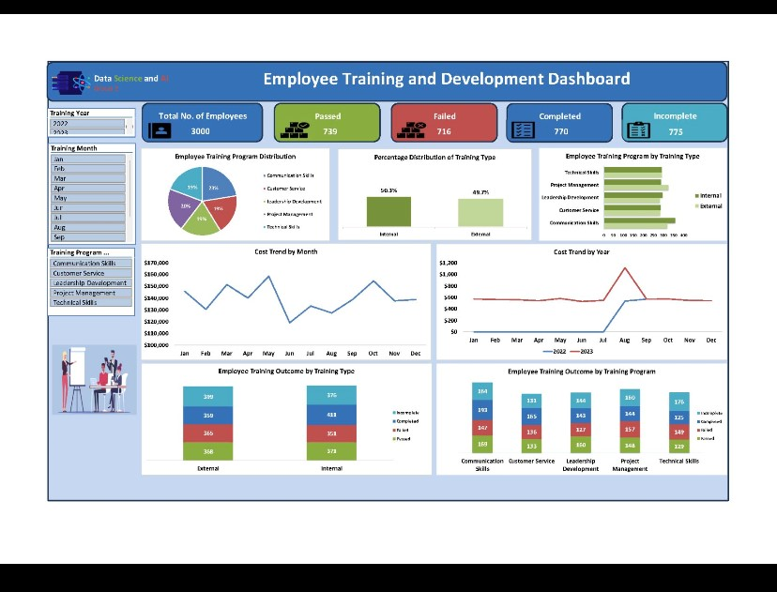

MARITAL STATUS OF BILLIONAIRE BY COUNTRY
 | Total
Canada | 2
China | 1
Germany | 1
Hong Kong | 2
Nigeria | 1
Russia | 2
Switzerland | 1
United States | 10
NUMBER OF BILLIONAIRES BY COUNTRY
 | Total
Australia | 6
Austria | 1
Brazil | 4
Canada | 5
Chile | 1
China | 30
Cyprus | 2
Czech Republic | 2
France | 11
Germany | 13
Hong Kong | 9
India | 11
Indonesia | 3
Israel | 2
Italy | 2
Japan | 3
Malaysia | 2
Mexico | 3
Netherlands | 1
Nigeria | 1
Russia | 15
Singapore | 2
South Africa | 1
Spain | 1
Sweden | 5
Switzerland | 4
Thailand | 3
United Arab Emirates | 1
United Kingdom | 3
United States | 74

AVERAGE NET WORTH BY INDUSTRY
 | Total
Automotive | $33
Construction & Engineering | $13
Diversified | $27
Energy | $15
Fashion & Retail | $33
Finance & Investments | $20
Food & Beverage | $20
Gambling & Casinos | $24
Healthcare | $14
Logistics | $20
Manufacturing | $15
Media & Entertainment | $37
Metals & Mining | $20
Real Estate | $15
Service | $15
Sports | $12
Technology | $34
Telecom | $58

